쿼리 샘플
SELECT
a.Name AS 'Employee'
FROM
Employee AS a,
Employee AS b
WHERE
a.ManagerId = b.Id
AND a.Salary > b.Salary
;

--------------------------------------------------

select customers.name as 'Customers'
from customers
where customers.id not in
(
select customerid from orders
);

select a.id from Weather as a, Weather as b
where datediff(a.recordDate, b.recordDate)=1 and
a.temperature>b.temperature;

-------------------------------------------------

SELECT
X.player_id,
X.event_date AS first_login
FROM
(
SELECT
A.player_id,
A.event_date,
RANK() OVER (
PARTITION BY
A.player_id
ORDER BY
A.event_date
) AS rnk
FROM
Activity A
) X
WHERE
X.rnk = 1;

-----------------------------------------------------

select Employee.name, Bonus.bonus from Employee
left outer join Bonus on
Employee.empID=Bonus.empID
where Bonus.bonus<1000
or bonus is null
;

-------------------------------------------------------

SELECT
customer_number
FROM
orders
GROUP BY customer_number
ORDER BY COUNT(*) DESC
LIMIT 1
;

-------------------------------------------------------

SELECT
p.product_id,
IFNULL(ROUND(SUM(p.price * u.units) / SUM(u.units), 2), 0) AS average_price
FROM
Prices AS p
LEFT JOIN
UnitsSold AS u
ON
p.product_id = u.product_id
AND u.purchase_date BETWEEN p.start_date AND p.end_date
GROUP BY
p.product_id;

------------------------------------------------------------

SELECT name, SUM(IFNULL(distance,0)) AS travelled_distance
FROM Users
LEFT JOIN Rides
ON Users.id = Rides.user_id
GROUP BY Users.id
ORDER BY SUM(distance) DESC, name ASC

--------------------------------------------------------------
SELECT
sell_date,
COUNT(DISTINCT(product)) AS num_sold,
GROUP_CONCAT(DISTINCT product ORDER BY product SEPARATOR ',') AS products
FROM
Activities
GROUP BY
sell_date
ORDER BY
sell_date ASC

---------------------------------------------------------------

select title from Content
join TVProgram on
TVProgram.content_id=Content.content_id
where Kids_content="Y"
and substring(program_date, 1,7)="2020-06"

------------------------------------------------------------------

SELECT
customer_id,
name
FROM
Customers
JOIN Orders USING(customer_id)
JOIN Product USING(product_id)
WHERE
YEAR(order_date)= 2020
GROUP BY
customer_id
HAVING
SUM(
IF(MONTH(order_date) = 6, quantity, 0) * price
) >= 100 AND
SUM(
IF(MONTH(order_date) = 7, quantity, 0) * price
) >= 100;

SELECT
w.name AS warehouse_name,
sum(w.units * sub.cubic_ft) AS volume
FROM
Warehouse w
LEFT JOIN (
SELECT
p.product_id,
p.width * p.length * p.height AS cubic_ft
FROM Products p
) AS sub
ON w.product_id = sub.product_id
GROUP BY warehouse_name;

잘못된 예시

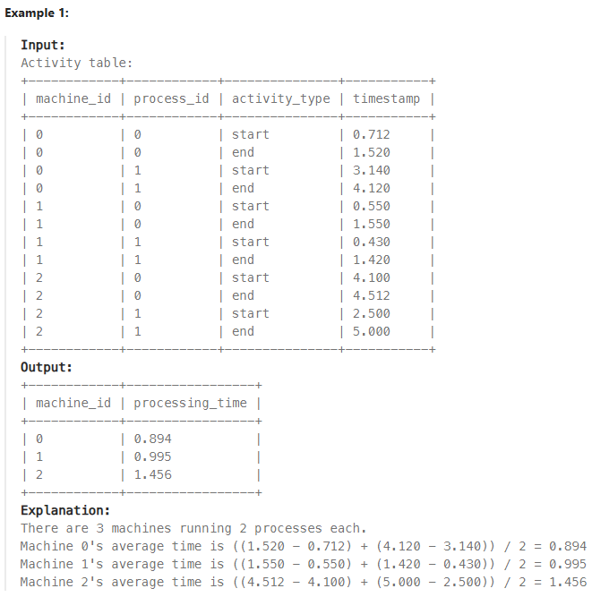

SELECT user_id, CONCAT(UPPER(SUBSTRING(name, 1, 1)), LOWER(SUBSTRING(name, 2))) AS name
FROM Users
ORDER BY user_id;

select event_day as day, emp_id,
sum(out_time*1)+ sum(in_time*-1) as total_time
from Employees
group by day, emp_id

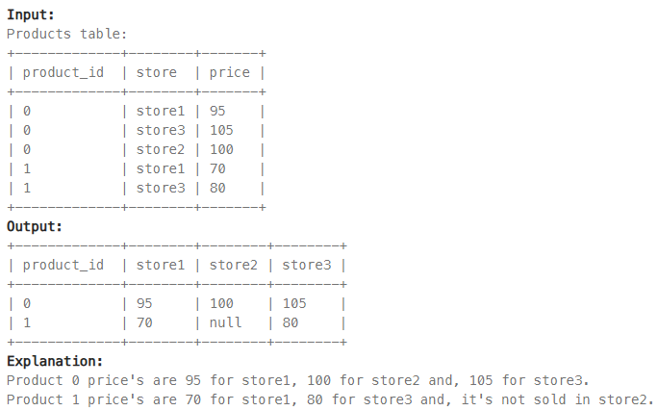

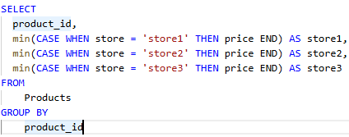

 | min이나 max를 넣어서, case에 price 결과값을 숫자로

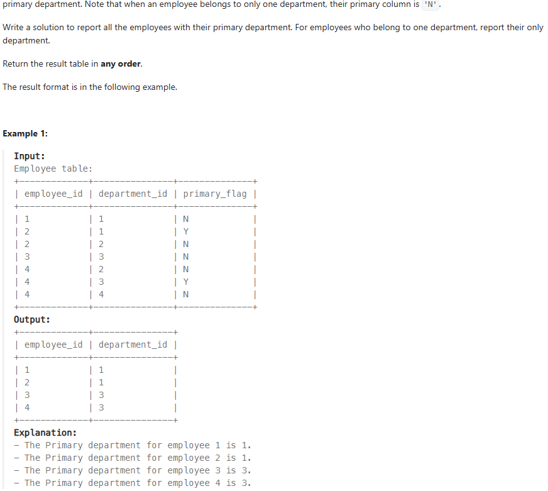

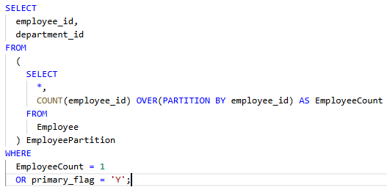

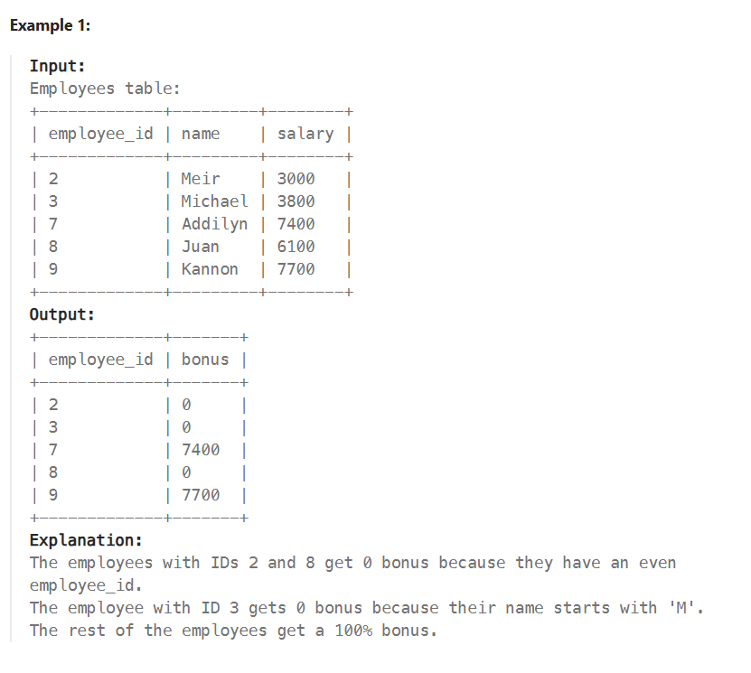

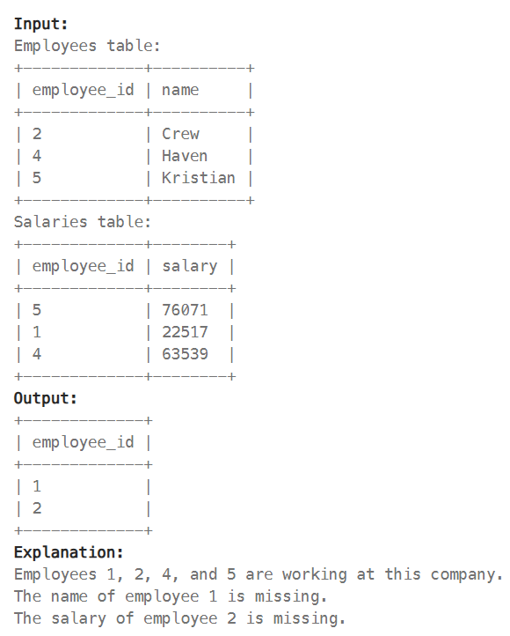

SELECT
employee_id
FROM
Employees
WHERE
employee_id NOT IN (
SELECT
employee_id
FROM
Salaries
)
UNION
SELECT
employee_id
FROM
Salaries
WHERE
employee_id NOT IN (
SELECT
employee_id
FROM
Employees
)
ORDER BY
employee_id ASC

SELECT
CASE
WHEN NY.excellent_students > CA.excellent_students THEN 'New York University'
WHEN NY.excellent_students < CA.excellent_students THEN 'California University'
ELSE 'No Winner'
END AS winner
FROM
(
SELECT
COUNT(*) as excellent_students
FROM
NewYork
WHERE
score >= 90
) NY,
(
SELECT
COUNT(*) as excellent_students
FROM
California
WHERE
score >= 90
) CA;

SELECT user_id,
name,
IFNULL(
SUM(distance),
0
) "traveled distance"
FROM Users
LEFT JOIN Rides
USING (user_id)
GROUP BY 1
ORDER BY 1;

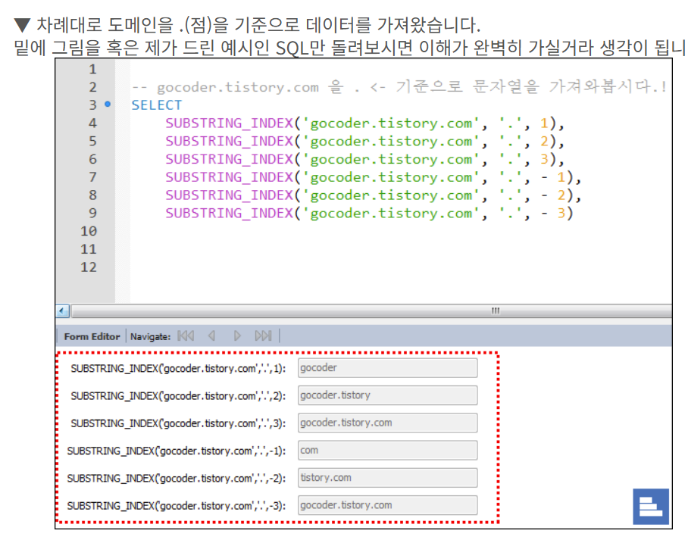

SELECT
SUBSTRING_INDEX(email, '@', -1) AS email_domain,
COUNT(DISTINCT id) AS count
FROM
Emails
WHERE
email LIKE '%.com'
GROUP BY
email_domain
ORDER BY
email_domain asc;

